jo1
NAME | AGE & SEX | PULSE RATE bpm | B.P mmHg | BMI | ECG | LOCATION OF PERFORATOR | DIAMETER OF PERFORATOR | DEPTH FROM SKIN | ANGLE OF INSONATION | TIME OF RECORDING | VELOCITY | colour systole | colour diastole | hand systole | hand diastole
jose1 | 26y/m | 59 | 122/80 | 23.44 |  | lt | 1.82 | 10mm | 60 | 30 to 45 seconds | 36 | 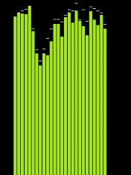 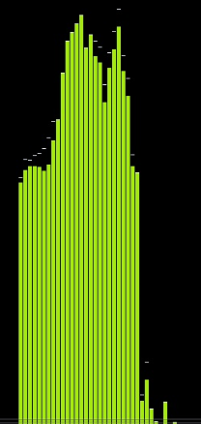 |  | 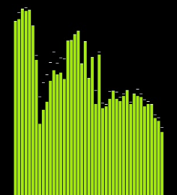 | 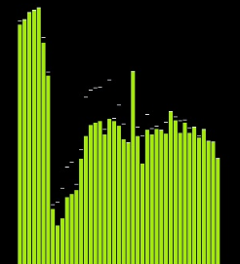
rakshith1 | 18y/m | 72 | 118/78 | 25.76 |  | lt | 2 | 11.2mm | 60 | 30 to 45 seconds | 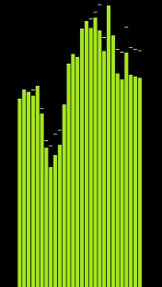 40 | 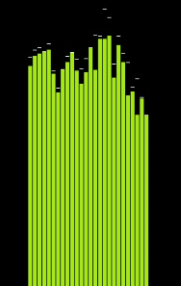 |  | 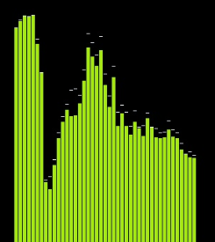 | 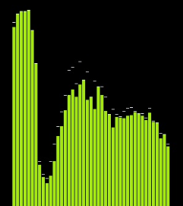
rakshith2 | 18y/m | 72 | 118/78 | 25.76 |  | lt | 3 | 18mm | 60 | 30 to 45 seconds | 19.4 | 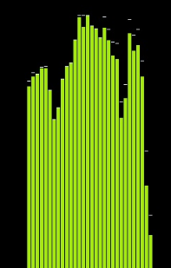 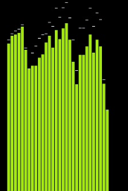 | 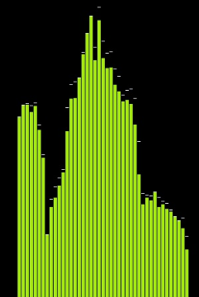 | 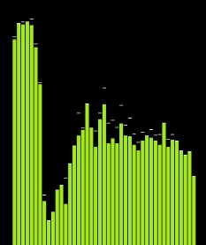
rakshith3 | 18y/m | 72 | 118/78 | 25.76 |  | lt | 2.5 | 17.6mm | 60 | 30 to 45 seconds | 14.9 | 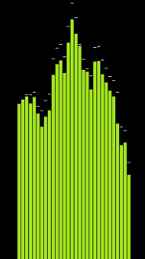 | 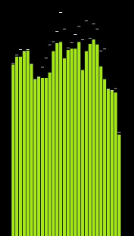
rakshith4 | 18y/m | 72 | 118/78 | 25.76 |  | rt | 1 | 19mm | 60 | 30 to 45 seconds | 10 | 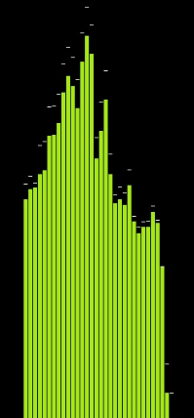 | 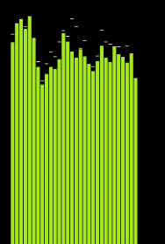 | 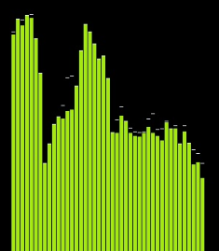 | 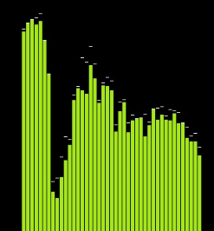
rakshith5 | 18y/m | 72 | 118/78 | 25.76 |  | rt | 2 | 19mm | 60 | 30 to 45 seconds | 22 | 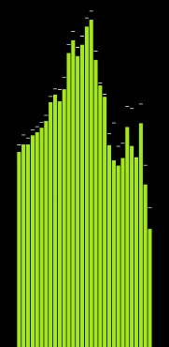 | 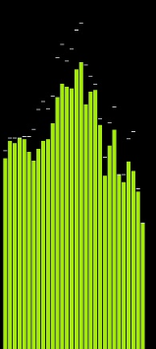 | 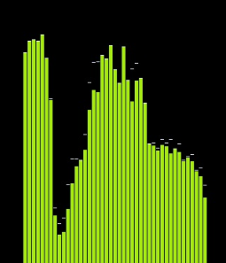 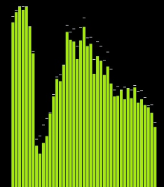
praveen1 | 18y/m | 64 | 122/78 | 21.28 |  | lt | 1.78 | 8mm | 60 | 30 to 45 seconds | 11 | 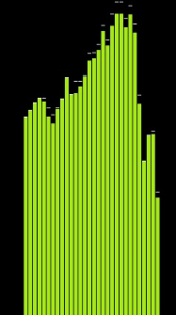 | 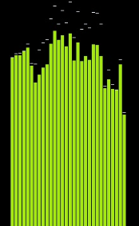 | 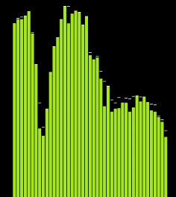 | 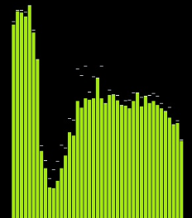
praveen2 | 18y/m | 64 | 122/78 | 21.28 |  | lt | 1.48 | 15mm | 60 | 30 to 45 seconds | 9 | 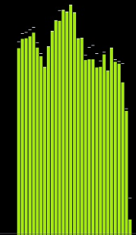 | 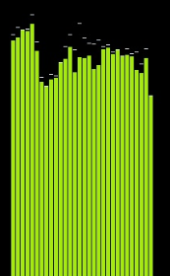
praveen3 | 18y/m | 64 | 122/78 | 21.28 |  | lt | 1.36 | 13mm | 60 | 30 to 45 seconds | 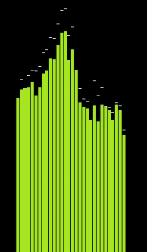 11 |  | 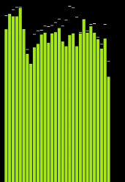 | 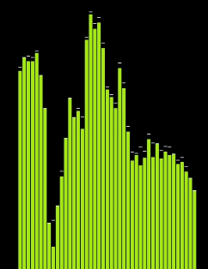 | 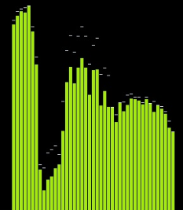
praveen4 | 18y/m | 64 | 122/78 | 21.28 |  | rt | 1 | 8mm | 60 | 30 to 45 seconds | 9.3 | 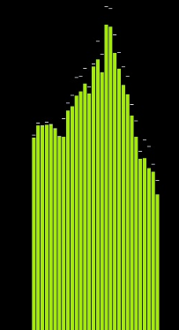 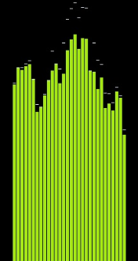 |  | 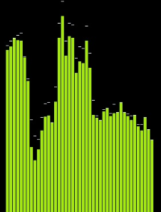 | 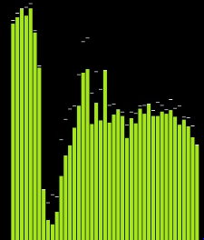
praveen5 | 18y/m | 64 | 122/78 | 21.28 |  | rt | 1.26 | 15mm | 60 | 30 to 45 seconds | 13 | 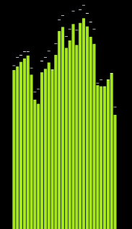 | 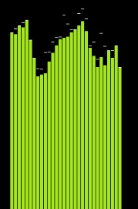 | 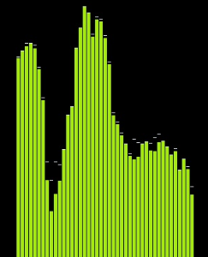 | 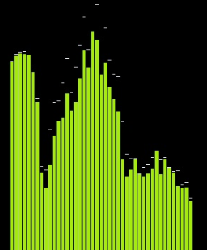
aditya1 | 19y/m | 84 | 116/78 | 29.03 |  | lt | 1 | 14mm | 60 | 30 to 45 seconds | 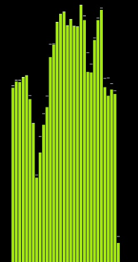 48 |  | 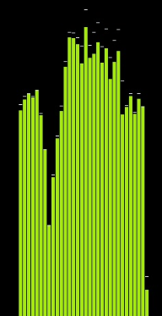 | 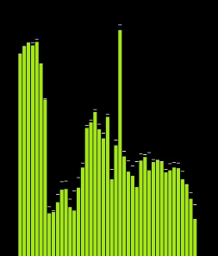 | 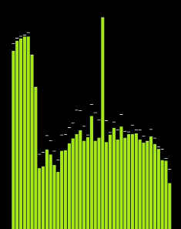
aditya2 | 19y/m | 84 | 116/78 | 29.03 |  | lt | 1.8 | 25mm | 60 | 30 to 45 seconds | 45 | 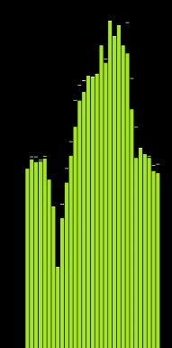 | 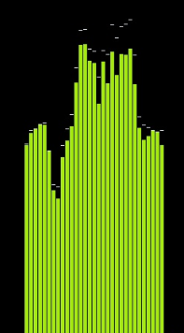 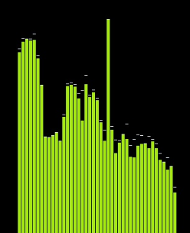 | 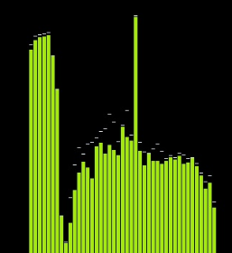
aditya3 | 19y/m | 84 | 116/78 | 29.03 |  | rt | 1.6 | 16mm | 60 | 30 to 45 seconds | 44 | 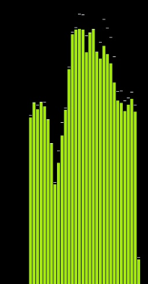 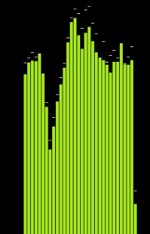
sairam1 | 26y/m | 70 | 110/70 | 26 |  | lt | 2 | 16.5mm | 60 | 30 to 45 seconds | 67 |  |  |  | 
vinod1 | 19y/m | 76 | 120/80 | 22.95 |  | lt | 2.7 | 16 | 60 | 30 to 45 seconds | 39.5 |   |  |  | 
vinod2 | 19y/m | 76 | 120/80 | 22.95 |  | rt | 1.5 | 14.2 | 60 | 30 to 45 seconds | 83 |   |  |  | 
noel1 | 19/m | 80 | 126/78 | 25.2 |  | rt | 1.2 | 13 | 60 | 30 to 45 seconds |  50 |  |  |  | 
noel2 | 19y/m | 80 | 126/78 | 25.2 |  | rt | 1.54 | 8 | 60 | 30 to 45 seconds |  55 |  |  |  | 
noel3 | 19y/m | 80 | 126/78 | 25.2 |  | lt | 1.7 | 16 | 60 | 30 to 45 seconds | 65 |  |  |  | 
noel4 | 19y/m | 80 | 126/78 | 25.2 |  | lt | 1.4 | 15 | 60 | 30 to 45 seconds | 57 |  |  |  | 
jasir1 | 25y/m | 80 | 120/90 | 23.7 |  | rt | 1.6 | 18 | 60 | 30 to 45 seconds | 30 |  |   |  | 
jasir2 | 25y/m | 80 | 120/90 | 23.7 |  | rt | 2 | 20 | 60 | 30 to 45 seconds |  20 |  |  |  | 
jasir3 | 25y/m | 80 | 120/90 | 23.7 |  | lt | 1.5 | 8 | 60 | 30 to 45 seconds | 20 |   |  |  | 
jasir4 | 25y/m | 80 | 120/90 | 23.7 |  | lt | 1.4 | 11 | 60 | 30 to 45 seconds | 20 |  |  |  | 

